Sheet0
UGRAM BREEZE BLOCKS ( SINGLE SIDE FINISH)
CODE | PRODUCT NAME | DIMENSIONS | COLOUR | WEIGHT( KG) | PER BOX QTY | DESCRIPTION | IMAGE
10001 | PETAL | 200MM*200MM*60MM | WHITE | 2.8 | 5 | SINGLE SIDE FINISH
10002 |  |  | RED | 2.8
10003 |  |  | ORANGE | 2.7
10004 |  |  | GREY | 2.6
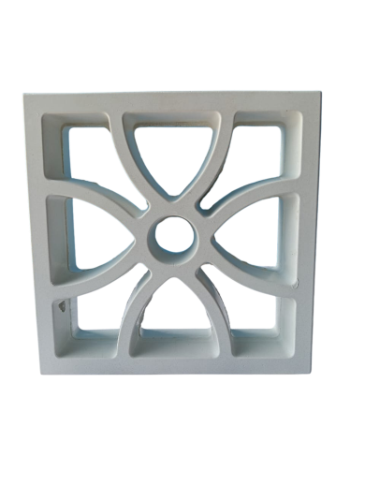
10011 | SEAFORM | 200MM*200MM*60MM | WHITE | 3.7 | 5 | SINGLE SIDE FINISH
10012 |  |  | RED | 3.6
10013 |  |  | ORANGE | 3.7
10014 |  |  | GREY | 3.5
10021 | MOUNTAIN | 200MM*200MM*60MM | WHITE | 3.2 | 5 | SINGLE SIDE FINISH
10022 |  |  | RED | 3.4
10023 |  |  | ORANGE | 3.1
10024 |  |  | GREY | 3.2
10031 | STONEE | 200MM*200MM*60MM | WHITE | 2.6 | 5 | SINGLE SIDE FINISH
10032 |  |  | RED | 3
10033 |  |  | ORANGE | 3
10034 |  |  | GREY | 2.9
10041 | LOTUS | 200MM*200MM*60MM | WHITE | 2 | 5 | SINGLE SIDE FINISH
10042 |  |  | RED | 2.2
10043 |  |  | ORANGE | 2.1
10044 |  |  | GREY | 2
10051 | CROSSTINE | 200MM*200MM*60MM | WHITE | 2.1 | 5 | SINGLE SIDE FINISH
10052 |  |  | RED | 2.4
10053 |  |  | ORANGE | 2.2
10054 |  |  | GREY | 2.3
10055 |  |  | DARK GREY | 2
10061 | TULIP | 200MM*200MM*60MM | WHITE | 4 | 5 | SINGLE SIDE FINISH
10062 |  |  | RED | 4.2
10063 |  |  | ORANGE | 4
10064 |  |  | GREY | 4
10071 | CURL | 200MM*200MM*60MM | WHITE | 4 | 5 | SINGLE SIDE FINISH
10072 |  |  | RED | 3.9
10073 |  |  | ORANGE | 4.1
10074 |  |  | GREY | 4
10081 | FLOWER | 200MM*200MM*60MM | WHITE | 3.2 | 5 | SINGLE SIDE FINISH
10082 |  |  | RED | 3.2
10083 |  |  | ORANGE | 3.2
10084 |  |  | GREY | 3.1

